Indices

 | Iraq Stock Exchange
 | Bulletin No (180)

 | ISX Trading Indices of Thursday 9/10/2025

 | Traded Volume and OTC |  | 406,050,159 |  | Traded Value and OTC |  | 736,303,214 |  | Traders | 837

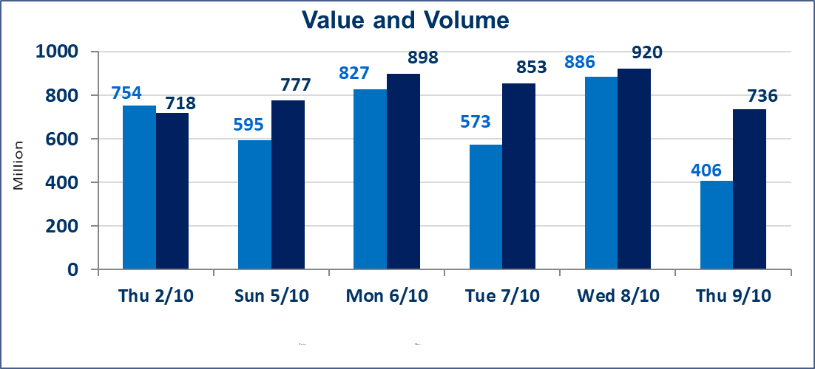
 | ISX Index 60 |  |  | 952.88 | ISX Index 15 |  |  | 1122.35
 | Previous ISX Index60 |  |  | 942.10 | Previous ISX Index15 |  |  | 1114.44
 | Change % |  |  | 1.14 | Change % |  |  | 0.71
 | Change |  |  | 10.78 | Change |  |  | 7.91

 | Listed Companies | 104 | OTC | 11 | Non Traded listed | 51 | OTC | 9
 | Traded Listed Companies | 37 | OTC | 1 | Higher Companies |  |  | 10
 | GAM Companies |  |  | 6 | Lower Companies |  |  | 10
 | Suspended Companies |  |  | 10
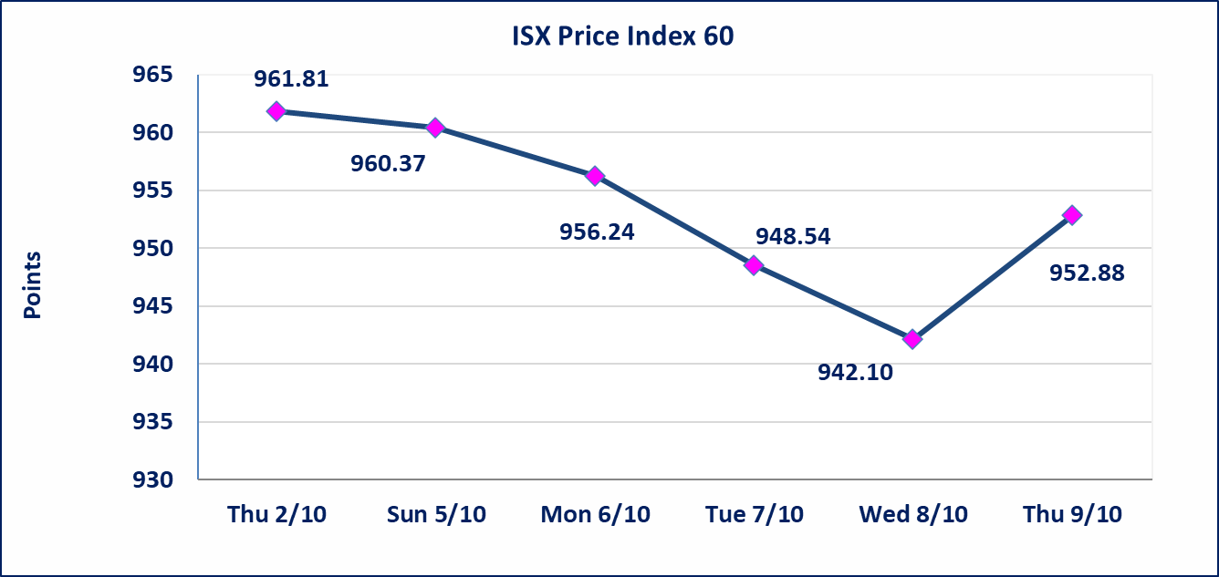
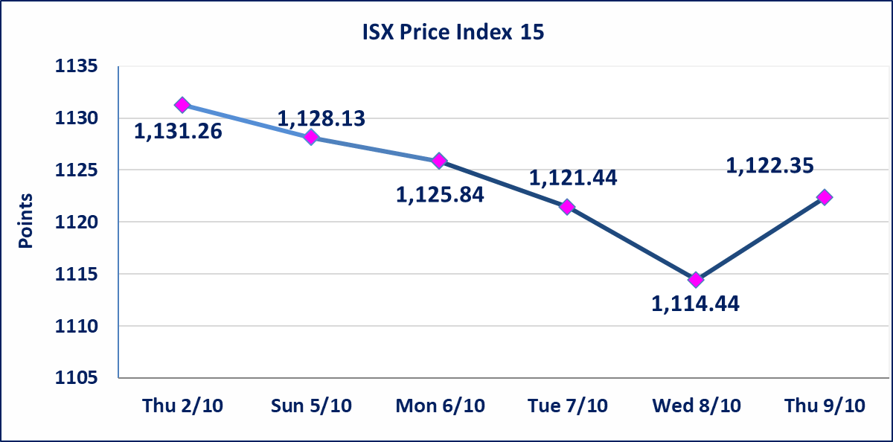

Al-Alwiya P.O . 3607 Mobile: 07711211522 - 07270094594 - 07834000034 E-mail: info-isx@isx-iq.net Web site:www.isx-iq.net

Top 5
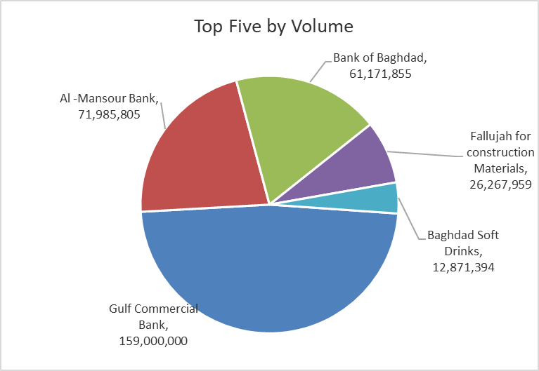
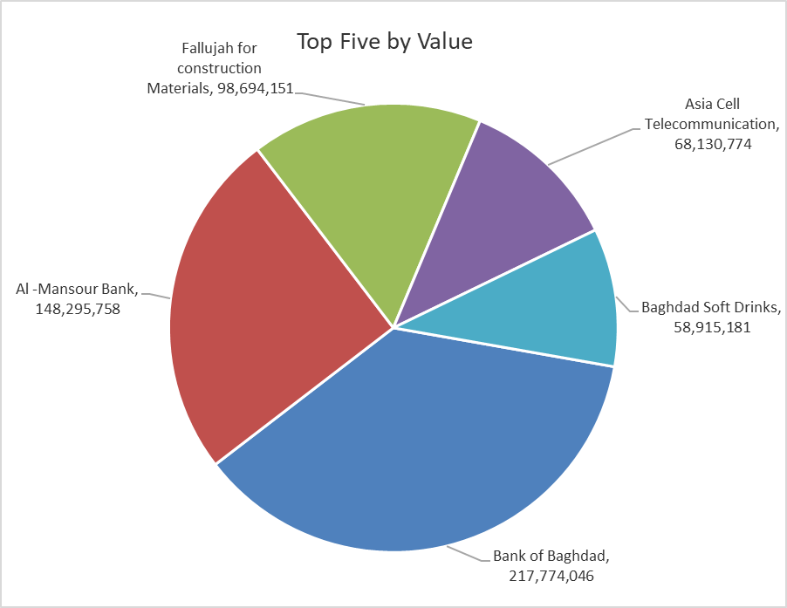
ISX top ganing and losing companies
Thursday 9/10/2025
Gainers |  |  |  | Losers
Company Name | Closing Price | Change (%) | Traded Volume | Company Name | Closing Price | Change (%) | Traded Volume
Dar Al-Salam for Insurance | 0.700 | 14.75 | 34,425 | Al-Sadeer Hotel | 24.000 | -5.88 | 8,000
Ready Made Clothes | 2.500 | 6.38 | 700,000 | Elaf Islamic Bank | 0.340 | -5.56 | 1,538,086
Modern Sewing | 7.100 | 4.41 | 2,436,400 | Palestine Hotel | 28.880 | -5.00 | 172,496
Bank of Baghdad | 3.580 | 2.58 | 61,171,855 | Al-Ameen Estate Investment | 1.690 | -3.98 | 625,000
Baghdad Soft Drinks | 4.640 | 1.98 | 12,871,394 | General Transportation | 1.540 | -3.75 | 45,070

The most active companies in term of traded volume and value

Traded Volume |  |  |  | Traded Value
Company Name | Closing Price | Change (%) | Traded Volume | Company Name | Closing Price | Change (%) | Traded Value
Gulf Commercial Bank | 0.300 | -3.23 | 159,000,000 | Bank of Baghdad | 3.580 | 2.58 | 217,774,046
Al -Mansour Bank | 2.060 | 0.00 | 71,985,805 | Al -Mansour Bank | 2.060 | 0.00 | 148,295,758
Bank of Baghdad | 3.580 | 2.58 | 61,171,855 | Fallujah for construction Materials | 3.730 | -1.58 | 98,694,151
Fallujah for construction Materials | 3.730 | -1.58 | 26,267,959 | Asia Cell Telecommunication | 11.990 | -0.08 | 68,130,774
Baghdad Soft Drinks | 4.640 | 1.98 | 12,871,394 | Baghdad Soft Drinks | 4.640 | 1.98 | 58,915,181

Non OTC

Iraq Stock Exchange
Non Iraqis' Bulletin Thursday Oct 9 2025
Regular Market

Non Iraqi Trading of OTC (Sell)
Company Names | Code | No.of trades | Traded Shares | Trading Volume
Banks Sector
Warka Bank for inv.&Finance | BWAI | 6 | 15,000,000 | 1,500,000
Total Bank sector |  | 6 | 15,000,000 | 1,500,000
Grand Total |  | 6 | 15000000 | 1500000

